Level3
player goal |  |  |  |  |  |  |  |  |  | object position
1. player should take passcode in cabinet room(1F - map2) |  |  |  |  |  |  |  |  |  | passcode : map2
2. player can move to storage room and find map(1F - map4) |  |  |  |  |  |  |  |  |  | map : map4
3. then, player can up stairs and enemy appear in the store(1,2F) |  |  |  |  |  |  |  |  |  | rollerblades : map7
4. player should find rollerblades (2F - map7) |  |  |  |  |  |  |  |  |  | disguise : map3
5. player should find disguise (1F - map3)
6. after cloth take, go to exit point(1F - map1)

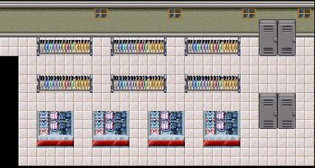
map2
map1
map3
1F (map1:center, map2:cabinet room, map3:staffroom, map4:storage room)
 |  |  |  |  |  | window |  |  | window |  |  | window |  |  |  | window |  |  | window |  |  | 12 | 12 | 12 | 12 | window | 12 | 12 | 12 | window | 12 | 12 | 12 | window | cabinet |  | window
 | cabinet |  |  |  |  |  |  |  |  | exit |  |  |  |  |  |  |  |  |  | >>map3 |  |  | hanger |  |  |  | hanger |  |  |  | hanger
 |  |  |  |  |  |  |  |  |  |  |  |  |  |  | hanger |  |  | counter
 |  |  |  |  | hanger |  |  | hanger |  |  |  | display |  |  |  |  |  |  |  |  |  |  | hanger |  |  |  | hanger |  |  |  | hanger
 | cabinet |  |  |  |  |  |  |  |  |  |  |  |  |  | hanger |  |  |  |  |  |  |  |  |  |  |  |  |  |  |  |  |  |  |  | cabinet
 |  |  |  |  | hanger |  |  | hanger |  |  |  |  |  |  |  |  |  |  |  |  |  |  | display |  |  | display |  |  | display |  |  | display
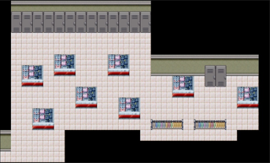
 | cabinet | <<map2 |  |  | hanger |  |  | hanger |  |  |  | display |  |  |  | display
map4
 |  |  |  |  | hanger |  |  | hanger |  |  |  |  |  |  |  |  |  |  |  | >>map5 |  |  | cabinet
 |  |  |  |  |  |  |  |  |  |  |  |  |  | hanger |  |  | hanger
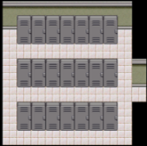
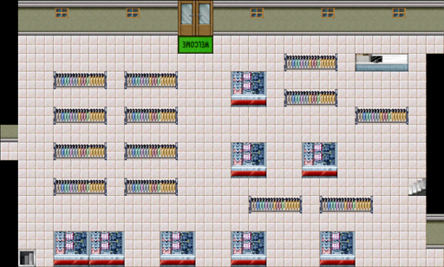
 |  |  |  |  |  | display | display |  |  | display |  |  | display |  |  |  | display
 |  |  | enter |  |  |  |  |  |  |  |  |  |  |  |  |  |  |  |  | >>map4 |  |  |  |  |  |  | display |  |  |  |  | display
 |  |  |  |  |  |  |  |  |  |  |  |  |  |  |  |  |  |  |  |  |  |  |  | display |  |  |  |  |  |  |  |  |  |  |  |  |  |  |  | cabinet
 |  |  |  |  |  |  |  |  |  |  |  |  |  |  |  |  |  |  |  |  |  |  |  |  |  |  |  |  |  |  |  |  |  |  |  |  |  | display
 |  |  |  |  |  |  |  |  |  |  |  |  |  |  |  |  |  |  |  |  |  |  |  |  |  |  |  |  | display |  |  |  |  |  |  |  |  |  |  |  |  | display
 |  |  |  |  |  |  |  |  |  |  |  |  |  |  |  |  |  |  |  |  |  |  |  |  |  |  |  |  |  |  |  |  | display
 |  |  |  |  |  |  |  |  |  |  |  |  |  |  |  |  |  |  |  |  |  |  |  |  | display
 |  |  |  |  |  |  |  |  |  |  |  |  |  |  |  |  |  |  |  |  |  |  |  |  |  |  |  |  |  |  |  |  |  |  |  | hanger |  |  | hanger

 |  |  |  |  |  |  |  |  |  |  |  |  |  |  |  |  |  |  |  |  |  | <<map1

map6
map5
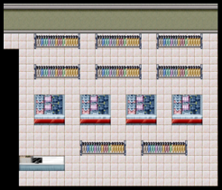
2F (map5:center, map6, map7)
 |  |  |  |  |  |  |  |  |  |  |  |  |  |  |  |  |  |  |  |  |  | <<map5 |  | hanger |  |  |  | hanger |  |  |  | hagner

 |  |  |  |  |  |  |  |  |  |  | hanger |  |  | hanger |  |  |  | hanger |  |  |  |  |  | hanger |  |  |  | hanger |  |  |  | hanger
 |  |  |  |  |  |  |  |  |  |  |  |  |  |  |  |  |  |  |  |  | >>map6
 |  |  |  |  |  | display |  |  | display |  |  |  |  |  |  |  |  |  |  |  |  |  |  | display |  |  | display |  |  | display |  |  | display
 |  |  |  |  |  |  |  |  |  |  |  |  |  | hanger |  |  | hanger

 |  |  |  | >>map1 |  |  | display |  |  | display |  |  |  | hanger |  |  | hanger |  |  |  |  |  |  |  |  |  | hanger |  |  |  | hanger
 |  |  |  |  |  |  |  |  |  |  |  |  |  |  |  |  |  |  |  |  |  |  | counter
 |  |  |  |  |  |  |  |  |  |  |  |  |  | hanger |  |  | hanger
map7
 |  |  |  |  |  |  |  |  |  |  |  |  |  |  |  |  |  |  |  |  | >>map7
 |  |  |  | counter |  |  |  |  |  |  |  |  |  |  |  |  |  |  |  |  |  |  | <<map5
 |  |  |  |  |  |  |  |  |  |  |  | hanger |  |  |  | hanger |  |  | hanger |  |  |  |  |  | display |  |  | display |  |  | display |  |  |  |  |  |  | hanger |  |  | hanger

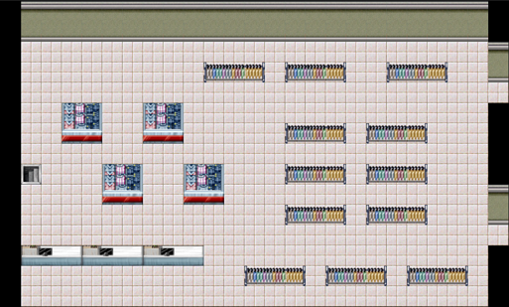
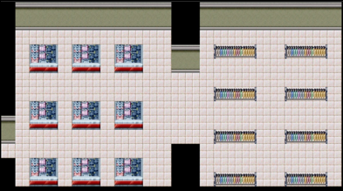
 |  |  |  |  |  |  |  |  |  |  |  |  |  |  |  |  |  |  |  |  |  |  |  |  |  |  |  |  |  |  |  |  |  |  |  |  |  | hanger |  |  | hanger
 |  |  |  |  |  |  |  |  |  |  |  |  |  |  |  |  |  |  |  |  |  |  |  |  | display |  |  | display |  |  | display

 |  |  |  |  |  |  |  |  |  |  |  |  |  |  |  |  |  |  |  |  |  |  |  |  |  |  |  |  |  |  |  |  |  |  |  |  |  | hanger |  |  | hanger

 |  |  |  |  |  |  |  |  |  |  |  |  |  |  |  |  |  |  |  |  |  |  |  |  | display |  |  | display |  |  | display
 |  |  |  |  |  |  |  |  |  |  |  |  |  |  |  |  |  |  |  |  |  |  |  |  |  |  |  |  |  |  |  |  |  |  |  |  |  | hanger |  |  | hanger

